Chart02_ReactorsUnderConstructi
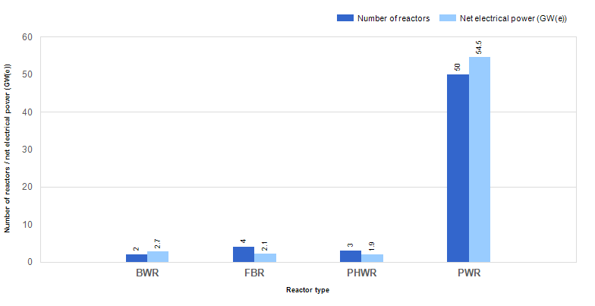
 | Figure 2. Reactors under construction by type and net electrical power (as of 31 Dec. 2023)

